Process
Used to compile RvTools reports into one table and later copied into the Master file |  |  | Silverton Migration

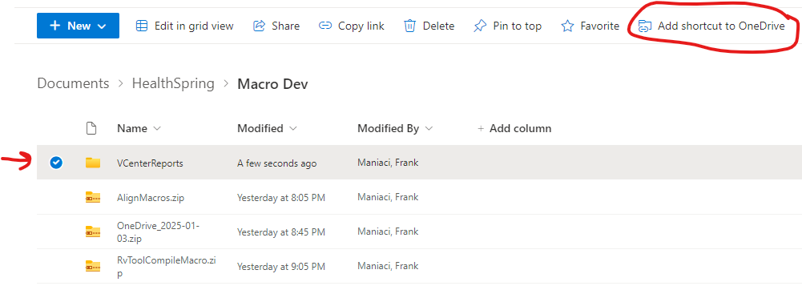
Step 1 | Download this worksheet to a local folder
Step 2 | Download RvTools file you want to compile to a local folder | You can either download the files into a local folder or map the SharePoint dirve to your OneDrive
Step 3 | Run Macro to compile RvTools data (vInfo, vSource, vTools)
Step 4 | Run Macro to compile RvTools data (vNetwork) Only
...

